Dashboard
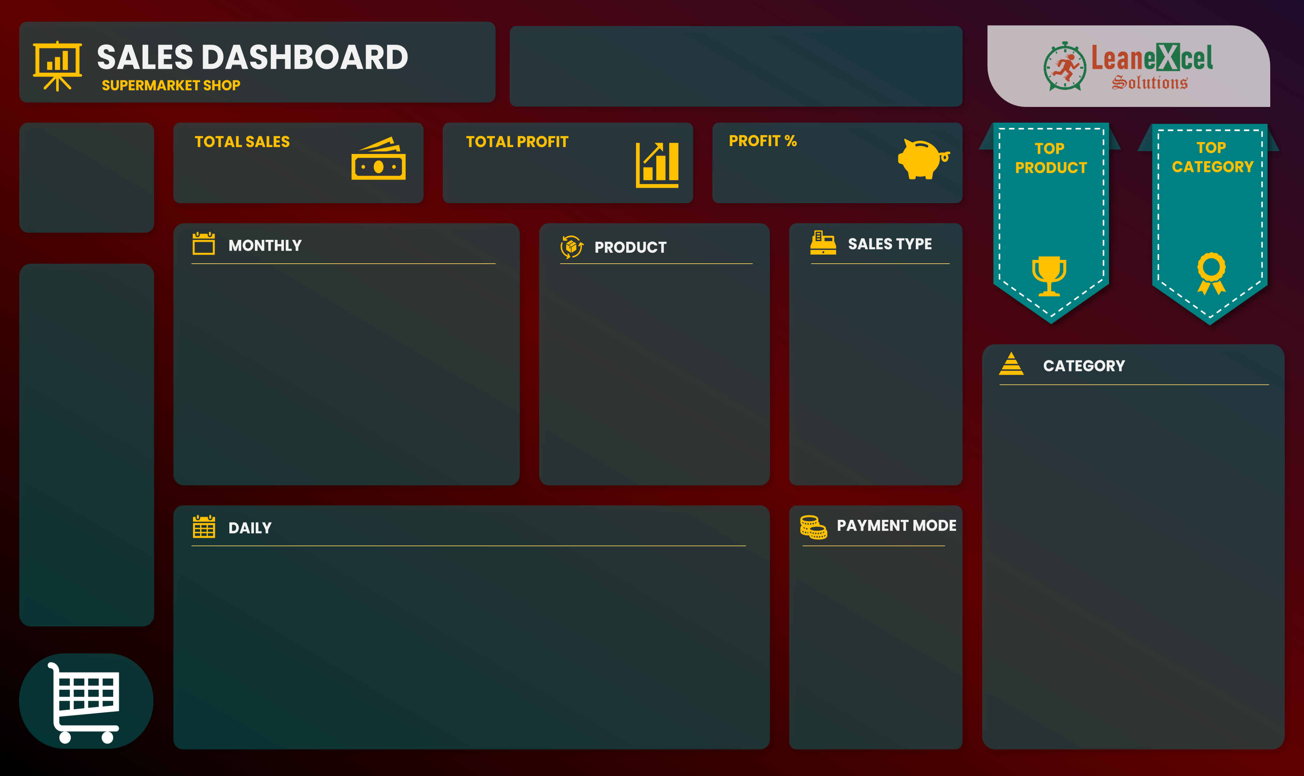

TRUE | TRUE | FALSE

$4,01,412
$68,908
21%

Product41
Category04
132
Ft
$95,269
22952.16

Jan | $41,347 | $7,057
Feb | $30,857 | $5,516
Mar | $28,617 | $5,180
Apr | $26,579 | $5,297
May | $30,910 | $4,384
Jun | $30,534 | $5,655
Jul | $35,252 | $5,374
Aug | $35,350 | $5,519
Sep | $35,243 | $6,485
Oct | $33,501 | $5,659
Nov | $36,124 | $6,818
Dec | $37,098 | $5,964
Product01 | 9764.72
Product02 | 13423.2
Product03 | 6394.26
Product04 | 6056.16
Product05 | 15716.61
Product06 | 4531.5
Product07 | 2291.04
Product08 | 10502.82
Product09 | 581.64
Product10 | 16428
 | Total
Direct Sales | 208140.15
Online | 133923.87
Wholesaler | 59347.9

 | Total
1 | $13,167.81
2 | $13,210.22
3 | $20,202.10
4 | $11,312.20
5 | $11,711.45
6 | $14,365.54
7 | $7,132.79
8 | $14,262.46
9 | $16,824.67
10 | $15,229.35
11 | $11,915.58
12 | $14,837.36
13 | $8,084.26
14 | $9,461.14
15 | $12,189.70
16 | $12,762.63
17 | $3,659.24
18 | $18,582.39
19 | $10,204.23
20 | $20,482.78
21 | $10,665.40
22 | $11,315.84
23 | $18,818.19
24 | $11,488.40
25 | $18,688.43
26 | $13,710.08
27 | $11,440.67
28 | $13,306.16
29 | $8,794.48
30 | $16,666.27
31 | $6,920.10
 | Total
Cash | 199516.9
Online | 201895.02

